Summary
The problem with Labour's budget numbers
What this file contains |  |  |  |  |  |  |  | Data for chart below, assuming Labour plans to fully fund the programmes in Prefu without cutting volumes while paying high wages and prices beyond 2018.
The 'Labour fiscal plan' tab copies relevant parts of Labour's fiscal plan and draws three main inferences: It intends its fiscal plan to suffice to fund all spending in Prefu2017 to 2022 plus around $22-23 billion of new spending the plan identifies, plus provisions for further yet unidentified spending of $7.5 billion. All this with additioinal reveunue compared to Prefu2017 of only $9.7 billion, and only $2.0 billion at the expense of OBEGAL. |  |  |  |  |  |  |  | Labour's cumulative Allowance for future spending to 2021-22 ($m) before and after providing for cost escalation on existing programmes. | $7,528 | -$3,171
Labour's cumulative Allowance for future spending to 2021-22 ($m) before and after providing for cost escalation on existing programmes.
The 'LFP & Total Crown' tab puts the table on page 16 of Labour's plan alongside Prefu2017 for total Crown expenses.
The 'Historical Growth' tab illustrates the extent to which omitting estimates of future cost inflation from personnel and other operating expenses beyond 2018 causes the estimated growth in nominal spending on these items to slump compared to both their past growth rates and relative to the growth rate for transfer payments.
The 'Core Crown' tab shows how much greater core Crown spending on personnel and other operating expenses could be if wage rate increases for personnel match Prefu's wage rate forecasts beyond 2018 and cost inflation for other operating expenses matches Prefu's CPI forecasts.

Commentary
 | Box 1 below summarises Labour's budget as Labour has presented it
 | It promises specific new spending over 5 years of $23.5 billion.
 | It funds that by carving $11.7 billion out of Prefu unallocated spending provisions for new policies and cost increases, $9.7 billion in new taxes and $2.0 billion from reduced surpluses (more debt)
 | The problem is that Labour's budget provides for wage and price increases after 2018 to increase revenue from PAYE and GST etc, but it does not provide for it to fund wage rate increases for public servants and price increases for other operating spending, unless it aims to cut the number of public servants or the volume of that other spending.
 | The issue arises because Prefu2017's projections beyond 2018 for personnel expenses and for other operating costs do not does not provide materially, if at all, for wage and price inflation. This is the primary reason why total Crown spending on these two items combined is projected to grow by only 0.5% pa between 2018 and 2022 compared to a historical growth rate of 3.3% pa. |  |  |  |  | Click here to see this 0.5% pa figure.
 | Prefu2017 could fund such increases from its unallocated spending provision of $19.262 million in Box 1. Labour does not seem to have appreciated that much of this provision would likely be needed to cover the projected inflation rates in Prefu.
 | So how much of the $19.3 billion provision could be needed to cover cost increases in Prefu spending?
 | Box 2 below provides an indicative answer of $10.7 billion, ie of the order of 60 percent. Note that it only inflates the Core Crown estimates rather than the large total Crown ones.
 | Box 3 recasts the spending section in Box 1 shifting $10.7 billion from line 2 to line 1. This assumes that Labour intends to maintain spending on programmes already in the pre-election upate.
 | If Labour intended its $7.5 billion provision to be available for funding cost increases on existing policies after 2018, it will overshoot its planned spending target by $3.2 billion.
 | However, it is clear that its $7.5 billion provision is for unannounced new spending. If so is revenue shortfall is $7.5+3.2 = $10.7 billion.
 | (Here is an intuitive explanation of why it is such a big number. In 2018, combined spending on core Crown personnel and other operating spending is $50 billion. CPI inflation is roughly 2% pa. So for 2019 $1 billion more revnue is required to fund existing programmes - and it is needed for each of the next three years too, making $4 billion cumulatively to 2022. In 2020 another $1 billion is needed, this time for three years. That is 4+3 = 7 cumulative. In 2021 another billion is needed, for each of two years, 7+2 =9 cumulative. In 2022 another $1 billion is needed, 9+1 =10 cumulative. Using the actual numbers in Prefu2017 and compoounding produces the $10.7 billlion estimate.

The calculations
 | Box 1: What Labour & BERL think is the situation

 |  | Projected Spending 2018-2022 ($ million)
 |  | Pre-Election Update | Labour | Labour's increase
 | Total Crown Spending on: |  |  | % | $ million
 | (1) Line items such as health, education, welfare | $543,950 | $567,420 | 4.3% | $23,470
 | (2) Unallocated spending provisions | $19,262 | $7,528 | -60.9% | -$11,734
 | (3) Top-down spending adjustment | -$3,290 | -$3,290 | 0 | 0
 | (4) Total operating spending | $559,922 | $571,662 | 2.1% | $11,740

 | Labour plans to fund this increased net spending of $11,740 million by:
 | (4) Increased taxes |  |  |  | $9,731
 | (5) Reduced surpluses (OBEGAL) |  |  |  | $2,009
 |  |  |  |  | $11,740

 | Box 2: Inflation rates used in Pre-election updates to forecast revenues etc, and their implications for unallocated spending

 |  | 2018 | 2019 | 2020 | 2021 | 2022
 | Average annual increases used in Pre-Election update
 | Consumers Price Index (CPI) |  | 1.9% | 2.1% | 2.1% | 2.0%
 | Average hourly wage growth |  | 2.9% | 2.7% | 2.7% | 3.5%
 | Cumulative rise from 2018
 | Consumers Price Index (CPI) |  | 1.9% | 4.0% | 6.2% | 8.3%
 | Average hourly wage growth |  | 2.9% | 5.7% | 8.5% | 12.3%

 | Major items in Pre-Election update that do not incorprate any allowance for inflation beyond 2018
 | Prefu projected spending ($ milllion) |  |  |  |  |  | Row Total
 | Core Crown Personnel expenses | $7,174 | $7,167 | $7,141 | $7,151 | $7,095 | $35,728
 | Core Crown Other operating expenses | $42,787 | $42,178 | $41,945 | $42,474 | $41,776 | $211,160
 | Total of these two items | $49,961 | $49,345 | $49,086 | $49,625 | $48,871 | $246,888

 | Implied actual (nominal) spending if personnel expenses incorporate wage rate rises and other operating expenses the CPI
 | Core Crown Personnel expenses | $7,174 | $7,373 | $7,546 | $7,758 | $7,965 | $37,817
 | Core Crown Other operating expenses | $42,787 | $42,993 | $43,634 | $45,107 | $45,254 | $219,775
 | Total of these two items | $49,961 | $50,366 | $51,180 | $52,865 | $53,219 | $257,592

 | Extra spending due to wage and price inflation
 | Total of these two items | $0 | $1,021 | $2,094 | $3,240 | $4,347 | $10,703
 |  |  |  |  |  |  | 56%

 | Box 3: Box 1 with $10.7 billion shifted from line 2 to line 1
 |  | Projected Spending 2018-2022 ($ million)
 |  | Pre-Election Update | Labour | Labour's increase (+)
 | Total Crown Spending on: |  |  | % | $ million
 | (6) Line items such as health, education, welfare | $554,654 | $578,123 | 4.2% | $23,470
 | (7) Unallocated spending provisions | $8,559 | -$3,171 | -137.1% | -$11,730
 | (8) Top down spending adjustment | -$3,290 | -$3,290 | 0.0% | $0
 | (8) =(1+2) Total operating spending | $559,922 | $571,662 | 2.1% | $11,740

 | Note that the - $3,171 in this table is a residual, which is what BERL said it was in responding to Joyce.

 | What are Labour's actual intentions for new and existing operational spending? | Cumulative fiscal cost 2018-2022 ($bn) | Data source
 | (1) To fund existing programmes for wage and cost inflation beyond 2017-8? | $10.7 | Estimated from Prefu's wage and price inflation rates
 | (2) To fund new additional line item spending | $23.5 | Labour's plan, page 16
 | (3) Spending allowance for "unannounced policies" | $7.5 | Labour's plan, page 16, New Investments web page
 | Required Funding | $41.7

 | Sources of funding in Labour's Plan
 | Prefu2017 unallocated operating spending | $19.3 | Prefu2017
 | Increased operating revenue | $9.7 | Labour's Plan, page 14
 | Reduced surpluses (OBEGAL) | $2.0 | Labour's Plan, page 9
 | Available Funding | $31.0

 | Shortfall | $10.7

Labour Fiscal Plan
Labour's Fiscal Plan | Page 14 - its "new investments", and additional revenue |  |  |  |  |  |  | Page 16: Its fiscal forecasts
 |  | These nos all from page 14 of the plan
This worksheet contains copies of the following material from the Plan | Year Ended June | Additional Revenue | Health | Education | Families Package | All additional spending commitments
1. Jacinta Adern's introduction p 4 | 2018 | 586 | 21 | 309 |  | 495
2. Grant Robertson's overview, p 6. | 2019 | 2201 | 846 | 887 | 1155 | 3524
3. Line item details of new investments p 14. | 2020 | 2230 | 1535 | 1275 | 1156 | 4790
4. Consolidated table of planned spending p 16. | 2021 | 2341 | 2361 | 1585 | 1204 | 6058
5 Extract from the electronic version of Labour's plan p 14. | 2022 | 2373 | 3157 | 2158 | 1255 | 7488
 | 5 Yr Sum | $9,731 | $7,920 | $6,214 | $4,770 | $22,355 | Note that the page 16 nos imply a $23.5 billion increase
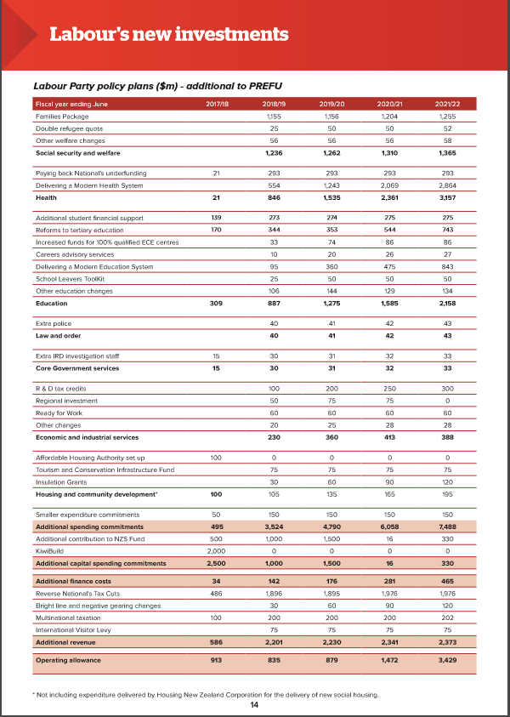
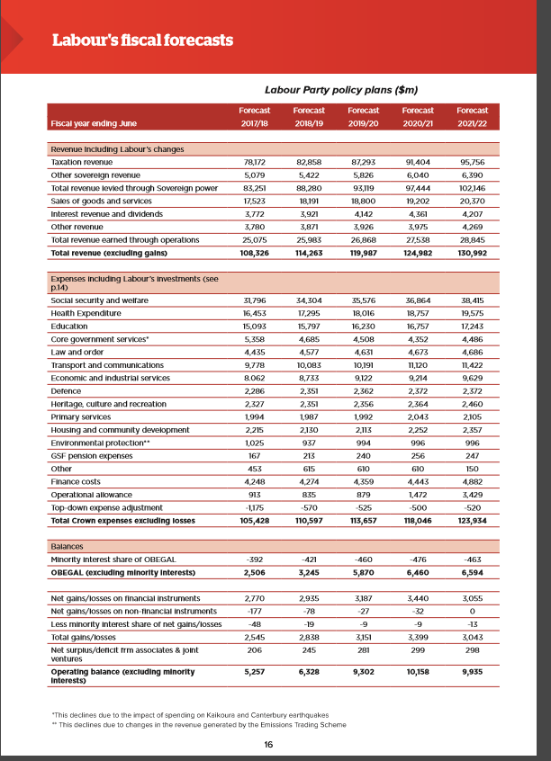
Three points come through:
1.) The announced new spending is being thought of as additional to PREFU programmes
"By choosing to reject tax cuts, Labour can deliver $8bn more for health, $6bn more for education, and $5bn more for our most vulnerable families." Arden p 4 of the plan. (No mean feat on $9.7 billion of additional revenue.)
Note also the heading to the table on p 14.

2). Labour sees is "operating allowance" as being available for funding
new unannounced spending programmes

3.) Labour is not signalling that it intends fiscal stringency over core public services:
"The last nine years have seen a systematic under-funding of core public and social services by the National government." Robertson p 6.

Page 4 of the Plan
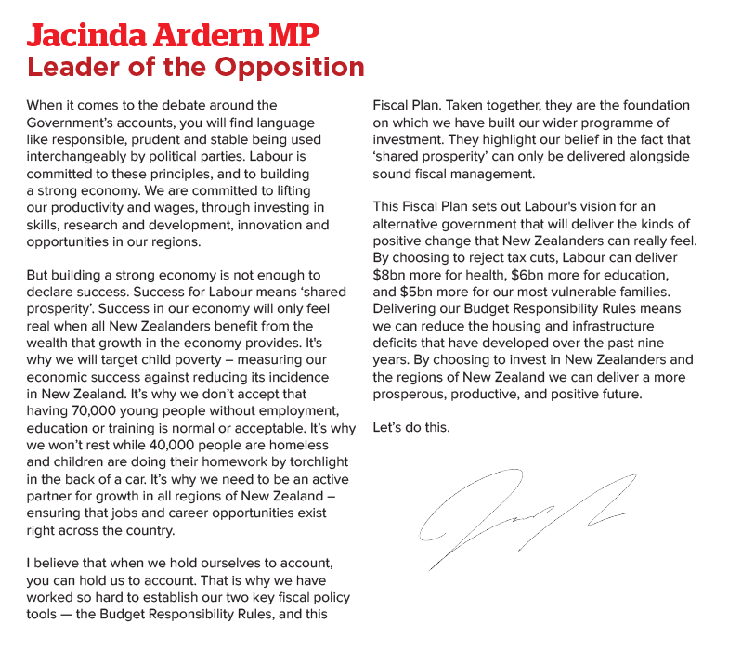

Page 6 of the Plan

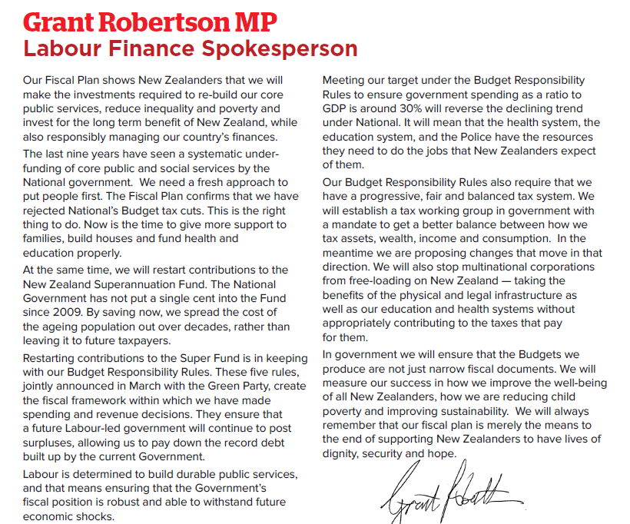

 |  |  |  |  | Electronic version
 |  |  |  |  | Labour intends its operating allowances to be available for additional new policy spending"

Historical growth
Tables illustrating different growth rates between historic series (that includes inflation) and forecast series beyond 2018 that do not. |  |  |  |  |  |  |  |  |  |  |  |  | Summary table for trend growth rates
Historical Total Crown Expenses - by spending category |  |  |  |  |  |  |  |  |  |  |  |  |  | Personnel expenses | Other operating expenses | Personnel + Other operating | Transfer payments & subsidies |  | Gap
Total Crown Expenses ($m) | 2007 | 2008 | 2009 | 2010 | 2011 | 2012 | 2013 | 2014 | 2015 | 2016 |  |  | 2007-2016 | 4.0% | 2.9% | 3.3% | 4.5% | 2007-2016 | 1.2%
Transfer payments and subsidies | 16,346 | 18,374 | 19,962 | 21,213 | 22,172 | 22,354 | 22,708 | 23,360 | 23,723 | 24,312 |  |  | 2018-2022 | 1.0% | 0.1% | 0.5% | 3.9% | 2018-2022 | 3.4%
Personnel expenses | 15,284 | 16,478 | 18,064 | 18,477 | 19,088 | 19,475 | 19,935 | 20,484 | 21,124 | 21,763 |  |  | Change | -3.0% | -2.7% | -2.8% | -0.7%
Depreciation and amortisation | 3,397 | 3,670 | 4,305 | 4,229 | 4,682 | 6,350 | 4,812 | 4,872 | 4,842 | 4,875
Other operating expenses | 27,842 | 30,656 | 34,116 | 31,338 | 35,829 | 35,678 | 36,163 | 35,553 | 35,910 | 35,869
Degree to which trend growth in spending on transfers and subsidies exceeds trend growth in spending on personnel and other operating expenses (% pa)
Interest expenses | 2,885 | 3,101 | 3,070 | 2,777 | 3,596 | 4,290 | 4,358 | 4,400 | 4,563 | 4,336
Insurance expenses | 2,975 | 3,563 | 3,882 | 3,006 | 14,592 | 4,576 | 3,031 | 3,501 | 4,110 | 4,725
Forecast new operating spending | 0 | 0 | 0 | 0 | 0 | 0 | 0 | 0 | 0 | 0
Top-down expense adjustment | 0 | 0 | 0 | 0 | 0 | 0 | 0 | 0 | 0 | 0
Total expenses (excluding losses) | 68,729 | 75,842 | 83,399 | 81,040 | 99,959 | 92,723 | 91,007 | 92,170 | 94,272 | 95,880
 | TRUE | TRUE | TRUE | TRUE | TRUE | TRUE | TRUE | TRUE | TRUE | TRUE

Trend values | 2007 | 2008 | 2009 | 2010 | 2011 | 2012 | 2013 | 2014 | 2015 | 2016 | Trend Growth rates
Transfer payments and subsidies | 16,346 | 18,374 | 19,962 | 21,213 | 22,172 | 22,354 | 22,708 | 23,360 | 23,723 | 24,312 | 4.5%
Personnel expenses | 15,284 | 16,478 | 18,064 | 18,477 | 19,088 | 19,475 | 19,935 | 20,484 | 21,124 | 21,763 | 4.0%
Depreciation and amortisation | 3,397 | 3,670 | 4,305 | 4,229 | 4,682 | 6,350 | 4,812 | 4,872 | 4,842 | 4,875 | 4.1%
Other operating expenses | 27,842 | 30,656 | 34,116 | 31,338 | 35,829 | 35,678 | 36,163 | 35,553 | 35,910 | 35,869 | 2.9%
Interest expenses | 2,885 | 3,101 | 3,070 | 2,777 | 3,596 | 4,290 | 4,358 | 4,400 | 4,563 | 4,336 | 4.6%
Insurance expenses | 2,975 | 3,563 | 3,882 | 3,006 | 14,592 | 4,576 | 3,031 | 3,501 | 4,110 | 4,725 | 5.3%
Total expenses (excluding losses) | 68,729 | 75,842 | 83,399 | 81,040 | 99,959 | 92,723 | 91,007 | 92,170 | 94,272 | 95,880 | 3.8%

Personnel + Other operating | 43,126 | 47,134 | 52,180 | 49,815 | 54,917 | 55,153 | 56,098 | 56,037 | 57,034 | 57,632 | 3.3%
Transfer + depreciation | 19,743 | 22,044 | 24,267 | 25,442 | 26,854 | 28,704 | 27,520 | 28,232 | 28,565 | 29,187 | 4.4%

Fiscal Strategy Model = Total Crown expenses from 2018-2022
Total Crown Operating Expenses |  |  |  |  |  |  |  |  | 2015 | 2016 | 2017 | 2018 | 2019 | 2020 | 2021 | 2022 | 2018-2022
Transfer payments and subsidies |  |  |  |  |  |  |  |  | 23.723 | 24.312 | 25.379 | 26.494 | 27.646 | 28.498 | 29.471 | 30.816 | 3.9%
Personnel expenses |  |  |  |  |  |  |  |  | 21.124 | 21.763 | 22.405 | 22.985 | 23.180 | 23.333 | 23.637 | 23.954 | 1.0%
Depreciation and amortisation |  |  |  |  |  |  |  |  | 4.842 | 4.875 | 5.163 | 5.327 | 5.491 | 5.595 | 5.684 | 5.905 | 2.6%
Other operating expenses |  |  |  |  |  |  |  |  | 35.910 | 35.869 | 37.790 | 41.543 | 41.166 | 41.103 | 41.829 | 41.790 | 0.1%
Interest expenses |  |  |  |  |  |  |  |  | 4.563 | 4.336 | 4.188 | 4.215 | 4.128 | 4.178 | 4.158 | 4.412 | 1.1%
Insurance expenses |  |  |  |  |  |  |  |  | 4.110 | 4.725 | 5.240 | 4.598 | 5.051 | 5.623 | 5.951 | 6.190 | 7.7%
Total of above row items |  |  |  |  |  |  |  |  | 94.272 | 95.880 | 100.165 | 105.162 | 106.662 | 108.330 | 110.730 | 113.066 | 1.8%
Forecast new operating spending |  |  |  |  |  |  |  |  | 0.000 | 0.000 | 0.000 | 0.492 | 2.034 | 3.746 | 5.495 | 7.495
Top-down expense adjustment |  |  |  |  |  |  |  |  | 0.000 | 0.000 | 0.000 | -1.175 | -0.570 | -0.525 | -0.500 | -0.520
Total expenses (excluding losses) |  |  |  |  |  |  |  |  | 94.272 | 95.880 | 100.165 | 104.479 | 108.126 | 111.551 | 115.725 | 120.041 | 3.5%

Trend values |  |  |  |  |  |  |  |  |  |  |  |  |  |  |  |  | 2018-2022
Transfer payments and subsidies |  |  |  |  |  |  |  |  |  |  |  | 26.494 | 27.646 | 28.498 | 29.471 | 30.816 | 3.9%
Personnel expenses |  |  |  |  |  |  |  |  |  |  |  | 22.985 | 23.180 | 23.333 | 23.637 | 23.954 | 1.0%
Depreciation and amortisation |  |  |  |  |  |  |  |  |  |  |  | 5.327 | 5.491 | 5.595 | 5.684 | 5.905 | 2.6%
Other operating expenses |  |  |  |  |  |  |  |  |  |  |  | 41.543 | 41.166 | 41.103 | 41.829 | 41.790 | 0.1%
Interest expenses |  |  |  |  |  |  |  |  |  |  |  | 4.215 | 4.128 | 4.178 | 4.158 | 4.412 | 1.1%
Insurance expenses |  |  |  |  |  |  |  |  |  |  |  | 4.598 | 5.051 | 5.623 | 5.951 | 6.190 | 7.7%
Total expenses (excluding losses) |  |  |  |  |  |  |  |  |  |  |  | 105.162 | 106.662 | 108.330 | 110.730 | 113.066 | 1.8%

Personnel + Other operating |  |  |  |  |  |  |  |  |  |  |  | 64.528 | 64.346 | 64.436 | 65.466 | 65.744 | 0.5%
Transfer + depreciation |  |  |  |  |  |  |  |  |  |  |  | 31.821 | 33.137 | 34.093 | 35.155 | 36.721 | 3.6%

